Part drawings
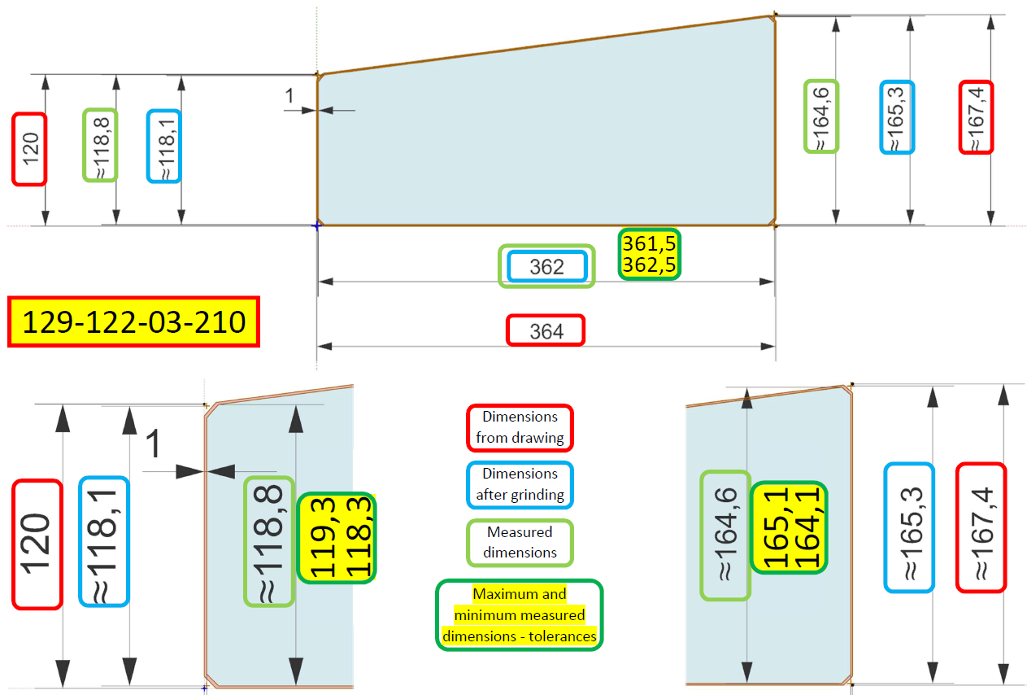

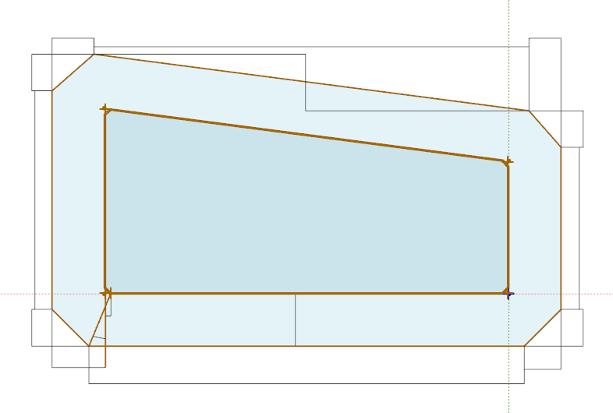

9
9
7
7
6
6

10
10
8
8

5
5

1
5,0-(0,414214*R)
2
352+((R*10)*0,08284)
3/13/14/15
5,0+((R*10)*0,05858)
12
12
11
11
4
108,12179+((R*10)*0,0791)
)
5
6
5,64571+((R*10)*0,05662)
4,95813+((R*10)*0,04972)
(0°=0mm)12=0
7
352,08373+((R*10)*0,08226)
4
8
45,85267+((R*10)*0,01071)
4
9
4,95813+((R*10)*0,06803)
(0°=0mm)16=0
10
4,35429+((R*10)*0,05974)
11
155,26588+((R*10)*0,08669)
12/16/17
0
(0°)17=0
16
17
17
5mm
R=(48mm)
129-122-03-210
14
tg22,5°=0,414214
13
13

15
15
1
1
G90 - STARTING POSITION
1-17
G91 - TOOL WORKING PATH
3
2
2
3

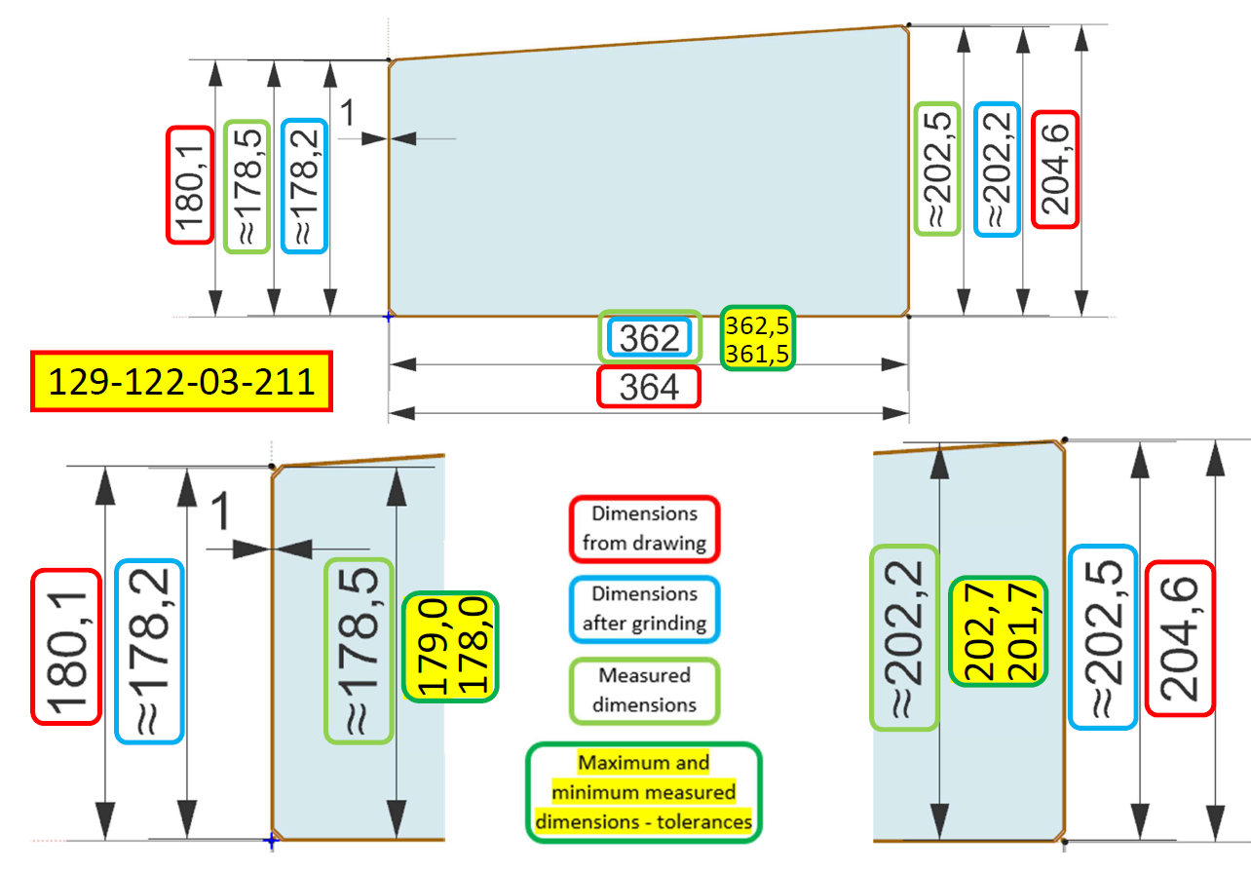

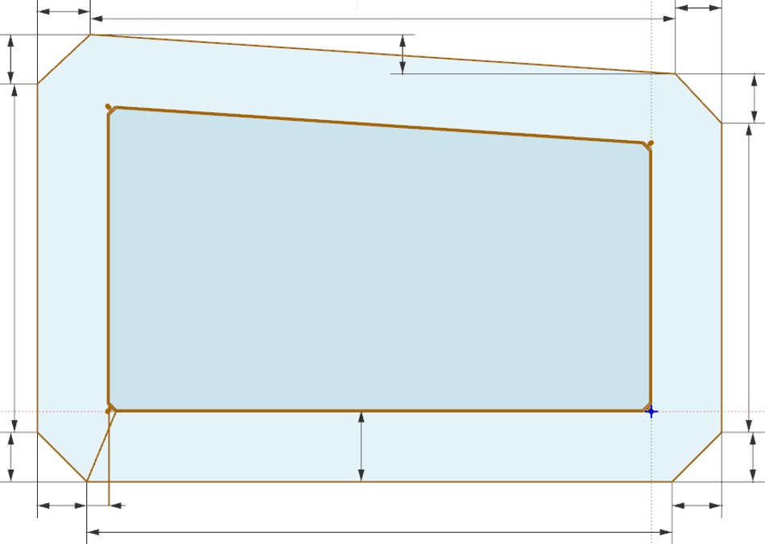
7
6
9
8
10

5

12
1
5,0-(0,414214*R)
2
352+((R*10)*0,08284)
3/13/14/15
4
5,0+((R*10)*0,05858)
168,16505+((R*10)*0,08088)
5
5,33578+((R*10)*0,05766)
(0°=0mm)12=0
6
4,98871+((R*10)*0,05391)
7
352,02257+((R*10)*0,08269)
11
8
23,69383+((R*10)*0,00566)
4
9
10
4,98871+((R*10)*0,06341)
4,66422+((R*10)*0,05929)
11
192,53043+((R*10)*0,08482)
12/16/17
0

(0°=0mm)16=0
(0°)17=0
16
17

5mm
129-122-03-211
14
R=(48mm)
13
tg22,5°=0,414214

1
15
G90 - STARTING POSITION
1-17
G91 - TOOL WORKING PATH
3
2

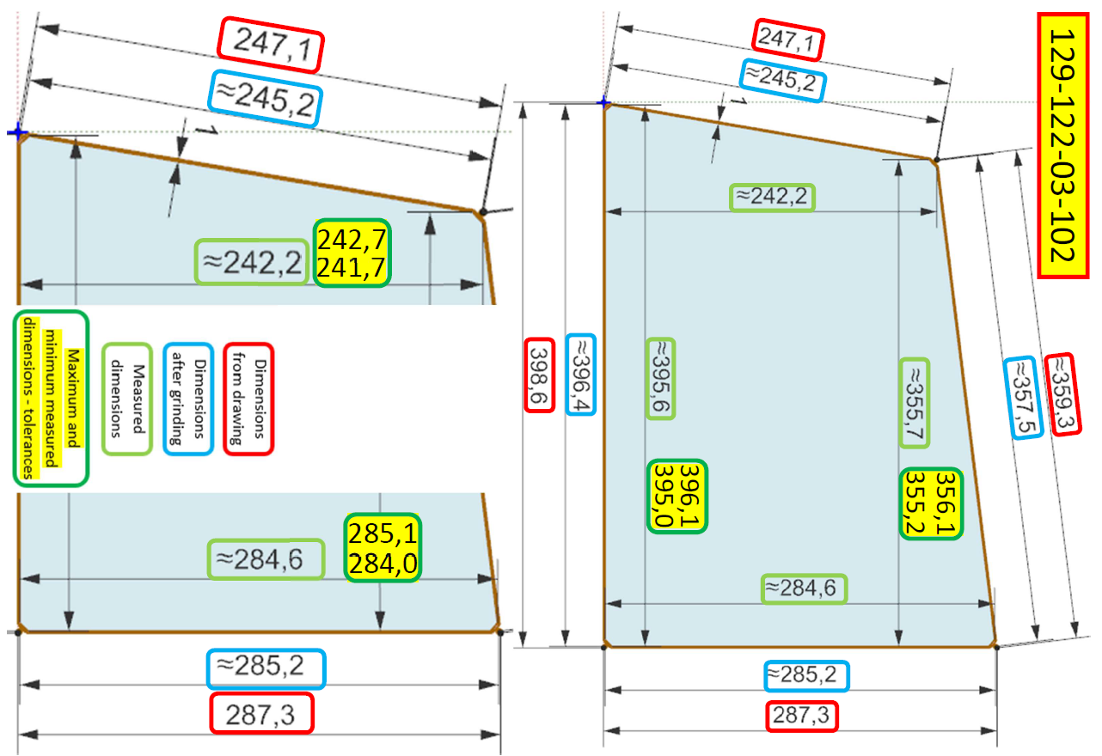

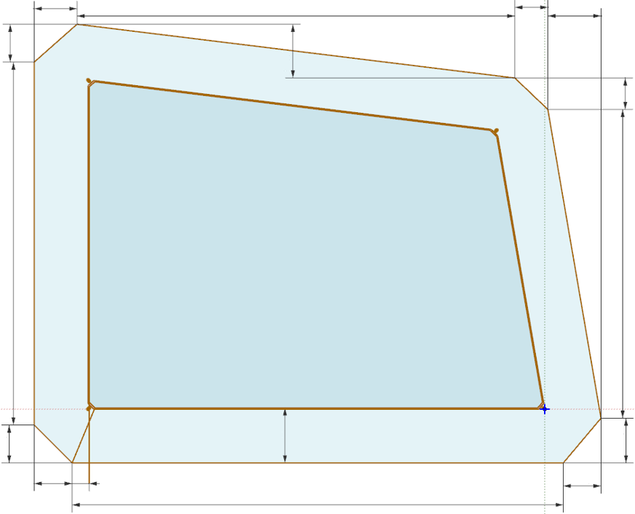
9
7
6
12
10
8

5

1
5,0-(0,414214*R)
2
386,41309+((R*10)*0,08793)
3
4,15153+((R*10)*0,05494)
4
5
5,5367+((R*10)*0,04565)
231,75930+((R*10)*0,07844)
6
5,81121+((R*10)*0,04791)
11
7
344,88384+((R*10)*0,07755)
8
42,33704+((R*10)*0,00952)
4
9
4,96275+((R*10)*0,06747)
10
11
4,39079+((R*10)*0,05969)
275,16974+((R*10)*0,08646)
12
39,90682+((R*10)*0,01351)
13
4,92748+((R*10)*0,07114)
14/15
5,0+((R*10)*0,05858)
16/17
0
(0°=0mm)16=0
(0°)17=0
16
17
5mm
129-122-03-102
14
R=(48mm)
13
tg22,5°=0,414214
1
15
3
G90 - STARTING POSITION
2
1-17
G91 - TOOL WORKING PATH

